Introduction
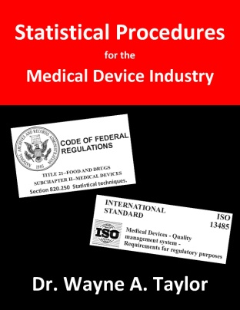
 |  |  | STATISTICAL PROCEDURES
 |  |  | FOR THE MEDICAL DEVICE INDUSTRY

 |  |  | STAT-18: Normality Testing and Transformations

 |  |  | Dr. Wayne A. Taylor

 |  | For those purchasing the book Statistical Procedures for the Medical Device Industry, this file contains a spreadsheet for performing the Skewness Kurtosis All and Specific normality tests. Further information about the use of this spreadsheet is provided in the book.

 |  | Book Link: |  | www.variation.com/procedures

 | Copyright © 2017 Taylor Enterprises, Inc.
 | All rights reserved.

 | Revision 1: 8/30/2017

 |  | www.variation.com
 |  | info@variation.com

Table of Contents

 | STAT 18, Appendix A: General Normality Tests
 | STAT 18, Appendix C: Skewness-Kurtosis Specific Normality Test

 |  | Skewness Kurtosis Normality Tests

 | Further Information:

 |  | Example Data Sets

